Customer Configuration
Project Name |  |  |  | Magento Extension |  |  |  |  | Process | Basic Design |  | Author | TTV-Binh | Created Date | 2016-11-28
System Name |  |  |  | No 3-44 会員系サ Extension |  |  |  |  | Sub System Name |  |  | Updater | TTV-Binh | Updated Date | 2016-12-02
Product name |  |  |  | Screen Structure |  |  |  |  |  |  |  | Section

Screen Layout

 | １．Screen Layout

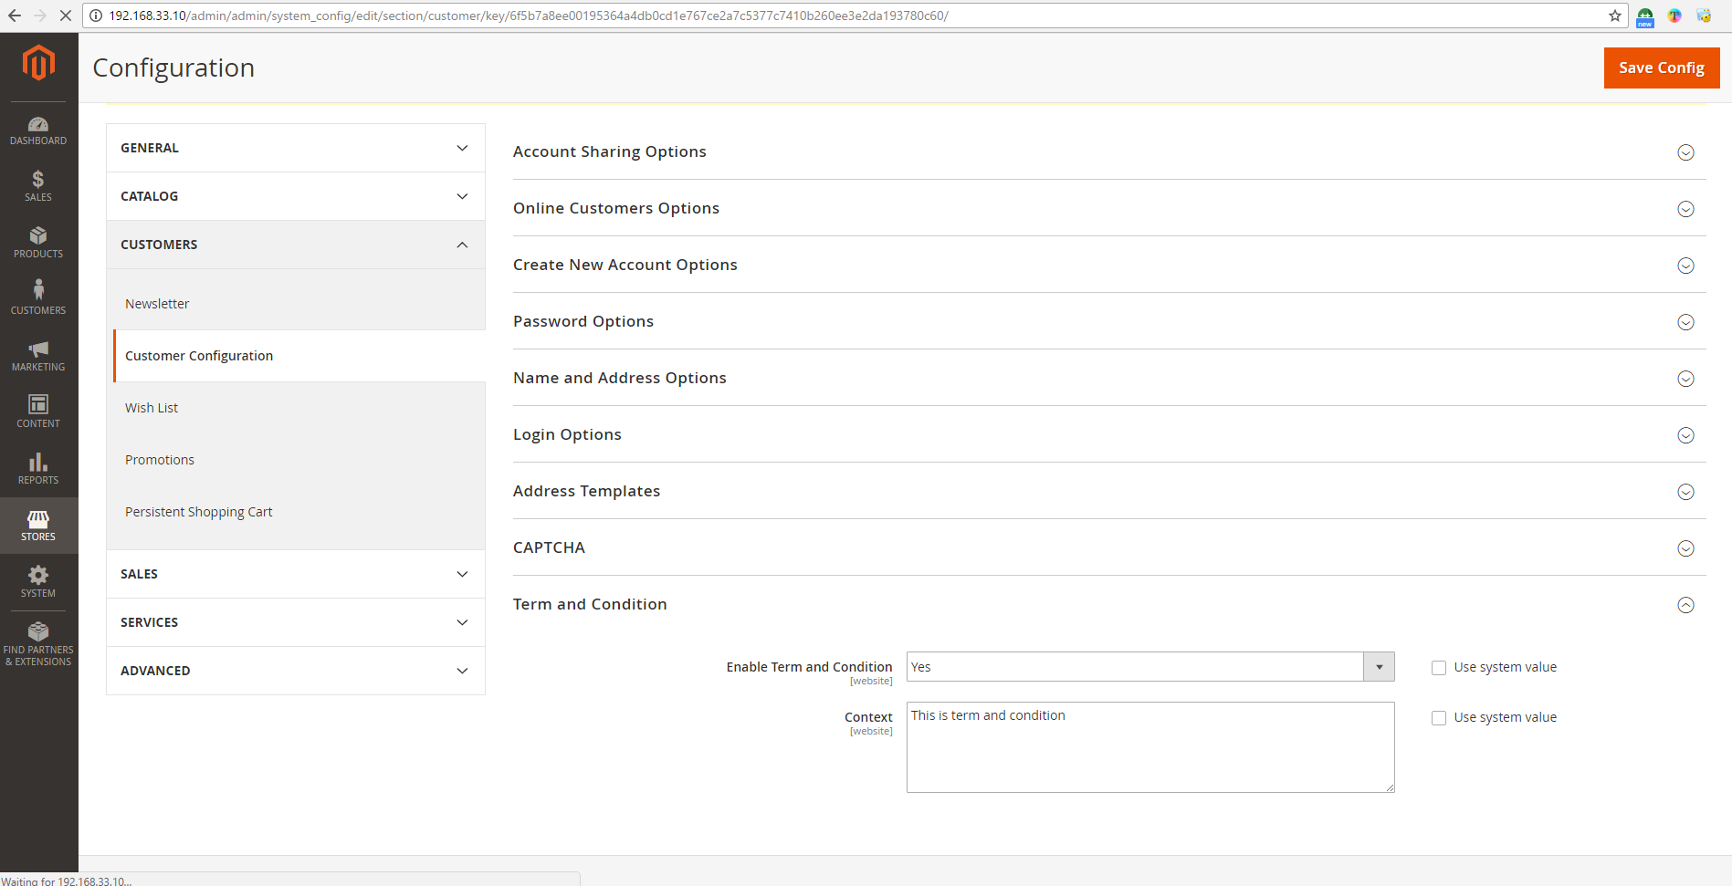

ignore required
Add system value

Functional Overview

 | ２．Functional overview
 |  | Yes/no enable tern and condition.
 |  | Set/edit content for tern and condition

 | ３．Action

 |  | ３-１．Screen Display

 |  | ３-２．Configuration by admin
 |  |  | Admin can enable or not term and condition
 |  |  | Admin can replace condition

 | ４．The main common definition to be used

Screen item definition

 | ５．Screen input and output fields

 | No. | Item Name |  |  | I/O style | I/O | Length | Initial display | Display conditions |  | Display output formats | Description
 | 1 | enable_term_and_condition |  |  | Dropbox | I/O | - | Yes/No | - |  | - | -
 | 2 | content_term_and_condition |  |  | TextArea | I/O | - | Content of term and condition | - |  | - | required
 | 3 | System value |  |  | Checkbox | I/O | - | non-checked | - |  | - | -

 | ６．Input check definition
 |  | None

Create New Customer Account
Project Name |  |  |  | Magento Extension |  |  |  |  | Process | Basic Design |  | Author | TTV-Binh | Created Date | 2016-11-28
System Name |  |  |  | No 3-44 会員系サ Extension |  |  |  |  | Sub System Name | 0 |  | Updater |  | Updated Date
Product name |  |  |  | Screen Structure |  |  |  |  |  |  |  | Section

Screen Layout

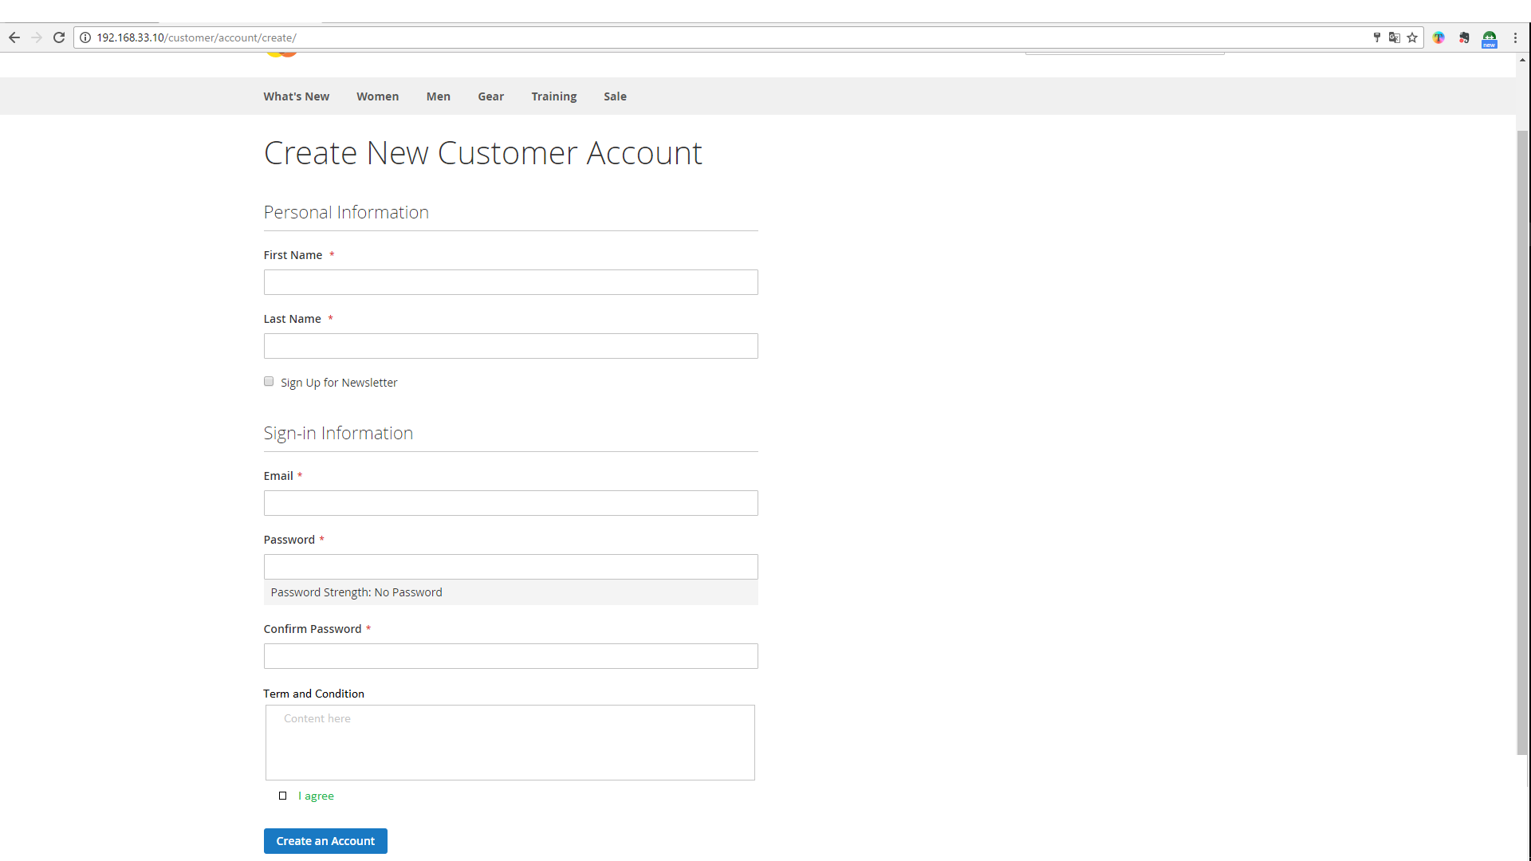
 | １．Screen Layout

Functional Overview

 | ２．Functional overview
 |  | Show content term and condition
 |  | Check checkbox I agree, it requie if not check show message error

 | ３．Action

 |  | ３-１．Screen Display
 |  | ３-２．Process when customer register
 |  |  | Term and condition will show customer and customer must check in checkbox follow. If not, when customer create, a message will display and this customer can not register in system

 | ４．The main common definition to be used

Screen item definition

 | ５．Screen input and output fields

 | No. | Item Name |  |  | I/O style | I/O | Length | Initial display | Display conditions |  | Display output formats | Description
 | 1 | term_and_condition |  |  | TextArea | - | - | Content term and condition(not edit) | enable_term_and_condition=Yes |  | - | -
 | 2 | term_check |  |  | Checkbox | - | - | I agree | enable_term_and_condition=Yes |  | - | required

 | ６．Input check definition
 |  | None

